Release 2016
 |  | 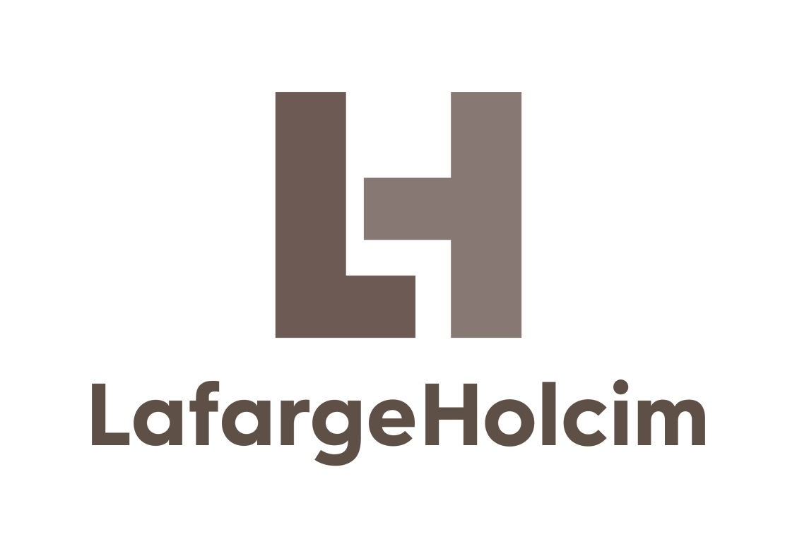

 | Maintenance MASTER SCHEDULE

 | Release December 2016
 | Version 2.00

 | ã 2016
 | Holcim Technology Ltd.
 | Cement Industrial Performance
 | Im Schachen
 | 5113 Holderbank
 | Switzerland

ã Holcim Technology Ltd. 2016. The copyright for this document and all appendices is reserved by Holcim Technology Ltd.

